Time Series Model Overview
Time Series Model

A time series is a data series consisting of several values over a time interval. For example, weekly sales of cars, monthly profit of a company, etc.The basis of performing a time series analysis is the assumption that in a time series value at any given point of time is a result of its historical values.
Components of a Time Series
Trend {T(t)}: Constantly increasing or decreasing OR first decreasing for a considerable time period and then decreasing.. The trend should be identified and then removed.
Seasonality(Cyclical){S(t),C(t)}: Repeating pattern with fixed period. Examples, sales in festive seasons, sales of umbrella during monsoon. The time-series should be de-seasonalized.
Random Variation/Irregular{I(t)}: Unexplained variation in the time-series which is totally random. Example – Earthquake
In order to build a time series model we have to make the series stationary first.
Stationary Series: A stationary series is one whose mean and variance of the series is constant over time i.e.
The mean of the series should not be a function of time rather should be a constant.
The variance of the series should not a be a function of time.

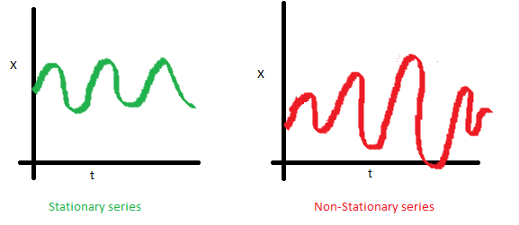
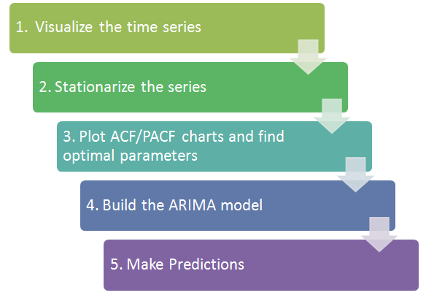
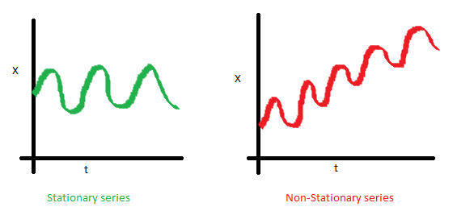

Time Series Technique Used
ARIMA stands for Auto-Regressive Integrated Moving Average. It is also known as Box-Jenkins approach.
ARIMA, as its full form indicates that it involves three components :
Auto-regressive component: Lags of variable itself
Integrated: Differencing steps required to make stationary
Moving average component: Lags of previous information shocks
Both Auto-regressive (lag based) and moving average components in conjunction are used by ARIMA technique for forecasting a time series.
A typical ARIMA model is known as ARIMA(p,d,q) with parameters p,d,q define as :
p is the number of autoregressive terms
d is the number of non-seasonal differences needed for stationarity
q is the number of lagged forecast errors in the prediction equation

Airpassengers Data and Forecast
 |  |  |  |  | Case Study
Description: ABC is an airline company that runs flight from Mumbai to Delhi.They have historical monthly passenger data travelling on the same route. Now company wants to set their ticket prices in such a way that they will end up with maximum profit.

Objective: To maximize the profit of airline company by setting up right fares.

Approach: Forecast the count of passengers travelling every month for the next one year

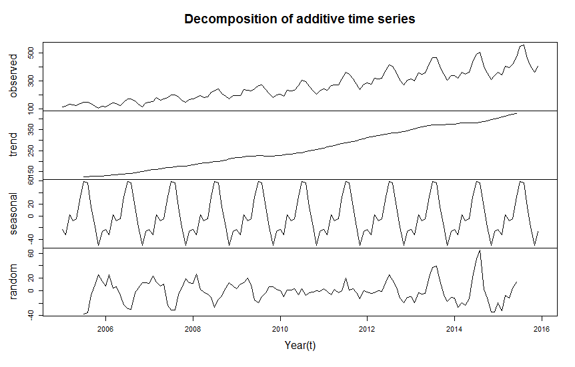
Original Data
Year Month | Jan | Feb | Mar | Apr | May | Jun | Jul | Aug | Sep | Oct | Nov | Dec
2005 | 112 | 118 | 132 | 129 | 121 | 135 | 148 | 148 | 136 | 119 | 104 | 118
2006 | 115 | 126 | 141 | 135 | 125 | 149 | 170 | 170 | 158 | 133 | 114 | 140
2007 | 145 | 150 | 178 | 163 | 172 | 178 | 199 | 199 | 184 | 162 | 146 | 166
2008 | 171 | 180 | 193 | 181 | 183 | 218 | 230 | 242 | 209 | 191 | 172 | 194
2009 | 196 | 196 | 236 | 235 | 229 | 243 | 264 | 272 | 237 | 211 | 180 | 201
2010 | 204 | 188 | 235 | 227 | 234 | 264 | 302 | 293 | 259 | 229 | 203 | 229
2011 | 242 | 233 | 267 | 269 | 270 | 315 | 364 | 347 | 312 | 274 | 237 | 278
2012 | 284 | 277 | 317 | 313 | 318 | 374 | 413 | 405 | 355 | 306 | 271 | 306
2013 | 315 | 301 | 356 | 348 | 355 | 422 | 465 | 467 | 404 | 347 | 305 | 336
2014 | 340 | 318 | 362 | 348 | 363 | 435 | 491 | 505 | 404 | 359 | 310 | 337
2015 | 360 | 342 | 406 | 396 | 420 | 472 | 548 | 559 | 463 | 407 | 362 | 405
2016 | 417 | 391 | 419 | 461 | 472 | 535 | 622 | 606 | 508 | 461 | 390 | 432

Data Forecast using ARIMA in R

Forecasted Value for 2016 | 424 | 391 | 457 | 455 | 476 | 565 | 648 | 643 | 534 | 462 | 403 | 450

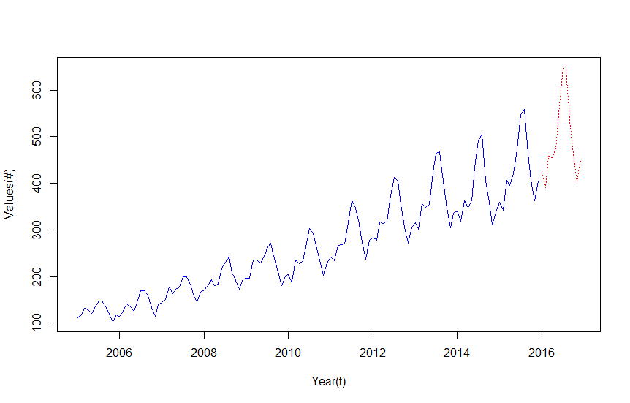
Deviation from Actual value | -7 | 0 | -38 | 6 | -4 | -30 | -26 | -37 | -26 | -1 | -13 | -18

Forecasted Value
% Deviation | -1.7% | 0.0% | -9.2% | 1.2% | -0.8% | -5.6% | -4.1% | -6.1% | -5.2% | -0.3% | -3.3% | -4.2%

Data Forecast using Tableau

Actual Value
Tableau Forecast for 2016 | 439 | 401 | 464 | 403 | 477 | 582 | 655 | 660 | 535 | 466 | 405 | 393

Deviation from Actual value | -22 | -10 | -45 | 58 | -5 | -47 | -33 | -54 | -27 | -5 | -15 | 39

% Deviation | -5.3% | -2.6% | -10.7% | 12.6% | -1.1% | -8.8% | -5.3% | -8.9% | -5.3% | -1.1% | -3.8% | 9.0%

Result: | Model developed in R using ARIMA gives more accurate prediction compared to Tableau Forecast as ARIMA also considers the seasonality in data.

Other Charts
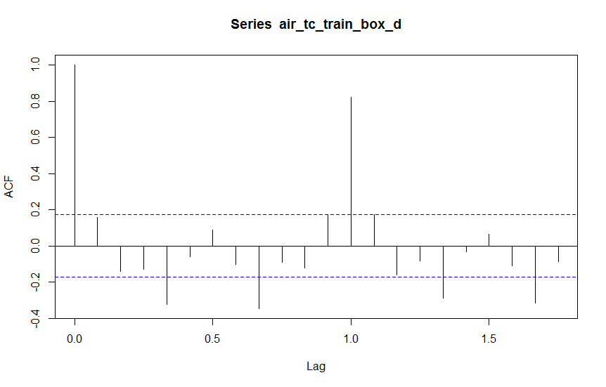
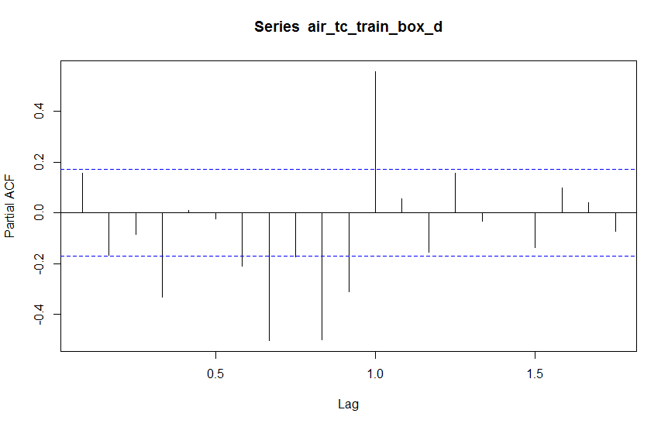

Model Summary:
Call:
arima(x = air_tc_train_box, order = c(2, 1, 5), seasonal = list(order = c(2, 1, 5), period = 12))

sigma^2 estimated as 4.563e-05: log likelihood = 420.79, aic = -811.59

Training set error measures:
 | ME | RMSE | MAE | MPE | MAPE | MASE | ACF1
Training | -2.75E-05 | 0.006462441 | 0.004609201 | -0.0006257124 | 0.1742753 | 0.271764 | -0.002792752

